DELTA_PN
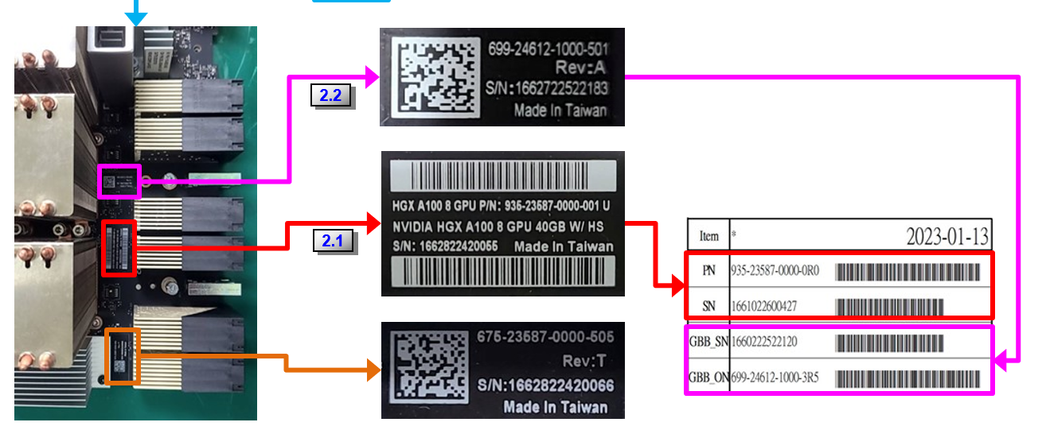
Customer | Possible return Part Number | 40G/80G | Build-As | SXM PN | B02/B04/D01 | Sorting Diag | Online Diag | Diag Version | Diag Version Change Summary | Diag Release Date | Diag Varify Date | ECO # | BB PN | Serviceme | Serviceme big category | LABEL PLAN | LABEL FILE | Remarks
Google | 935-23587-6300-000 | 40G | 935-23587-6300-0R3 | 692-2G506-0200-0R6 692-2G510-0200-0R0 | B04 | verified | verified | MODS_VER:618-23587-XXXX-MOD-40200 FLA_VER:618-23587-XXXX-FLA-39754 FLC_VER:618-23587-0000-FLC-40602 FTT_VER:618-23587-XXXX-FTT-37526 SKU_VER;618-23587-0000-SKU-40277 |  | 2025-02-13 | 2025-02-13 |  | 699-24612-1000-5R1 699-24612-1000-5R2 | 699-24612-1000-5R1 699-24612-1000-5R2 |  | 935-23587-xxxx-xxx label plan 20230522.xlsx [935-23587-6300-0R3 ] | Delta 6300-0R3 | DOA Gold BB, Using Pilot unit for validation Waiting for loopback card
 | 935-23587-6300-001 | 40G |  |  |  |  |  |  |  |  |  |  |  |  |  |  |  |  | Legend
 | 935-23587-6300-002 | 40G |  |  |  |  |  |  |  |  |  |  |  |  |  |  |  |  | Ready | Diag available
 | 935-23587-6300-003 | 40G |  |  |  |  |  |  |  |  |  |  |  |  |  |  |  |  | Verified | Diag available &Verified
 | 935-23587-6300-0R2 | 40G |  |  |  |  |  |  |  |  |  |  |  |  |  |  |  |  | Not available | Not avialble
 | 935-23587-6300-0R3 | 40G
 | 935-23587-6300-201 | 80G | 935-23587-6300-2R1 | 692-2G506-0210-0R6 692-2G510-0210-0R3 692-2G510-0210-0R2 | B04 | verified | verified | MODS_VER:618-23587-XXXX-MOD-40200 FLA_VER:618-23587-XXXX-FLA-39754 FLC_VER:618-23587-0000-FLC-40602 FTT_VER:618-23587-XXXX-FTT-37526 DCC_VER:618-23587-XXXX-DCC-37528 SKU_VER:618-23587-XXXX-SKU-40539 |  | 2024-10-08 | 2024-10-08 |  | 699-24612-1000-5R2 | 699-24612-1000-5R2 | BG | 935-23587-0000-xxx label plan v13 082224.xlsx [935-23587-6300-2R1_Google_506] | Delta 6300-2R1 | No Gold BB, Using Pilot unit for validation Waiting for loopback card
 | 935-23587-6300-204 | 80G | 935-23587-6300-204 | 692-2G510-0210-002 692-2G510-0210-003 692-2G506-0210-006 692-2G506-0210-007 692-2G506-0210-008 692-2G506-0210-009 | D01 |  |  |  |  |  |  |  | 699-24612-1000-900
Generic | 935-23587-0000-000 | 40G | 935-23587-0000-0R0 | 692-2G506-0200-0R6 | B02 | verified | verified | MODS_VER:618-23587-XXXX-MOD-40200 FLA_VER:618-23587-XXXX-FLA-39754 FLC_VER:618-23587-0000-FLC-39071 FTT_VER:618-23587-XXXX-FTT-37526 DCC_Ver:618-23587-XXXX-DCC-37528 SKU_VER:618-23587-0000-SKU-40116 |  | 2024-07-26 | 2024-07-26 |  | 699-24612-1000-3R6 | 699-24612-1000-3R6 | BG | 935-23587-xxxx-xxx label plan 20230522.xlsx [ 935-23587-0000-0R0_B02] | Delta 0R0_B02
 |  |  |  |  | B04 | verified | verified | MODS_VER:618-23587-XXXX-MOD-40200 FLA_VER:618-23587-XXXX-FLA-39754 FLC_VER:618-23587-0000-FLC-39071 FTT_VER:618-23587-XXXX-FTT-37526 DCC_Ver:618-23587-XXXX-DCC-37528 SKU_VER:618-23587-0000-SKU-40116 |  | 2024-07-26 | 2024-07-26 |  | 699-24612-1000-5R2 | 699-24612-1000-5R2 | BG |  | Delta 0R0_B04
 | 935-23587-0001-000 | 40G | 935-23587-0001-0R0 | 692-2G506-0202-0R6 | B02 | ready |  | MODS_VER:618-23587-XXXX-MOD-35851 FLA_VER:618-23587-XXXX-FLA-35675 FLC_VER:618-23587-0000-FLC-35743 FTT_VER:618-23587-XXXX-FTT-35587 SKU_VER:618-23587-0000-SKU-35762 |  |  |  |  | 699-24612-1001-3R6
 |  |  |  | 692-2G506-0202-0R2 692-2G506-0202-0R3 | B04 | ready |  | MODS_VER:618-23587-XXXX-MOD-35851 FLA_VER:618-23587-XXXX-FLA-35675 FLC_VER:618-23587-0000-FLC-35743 FTT_VER:618-23587-XXXX-FTT-35587 SKU_VER:618-23587-0000-SKU-35762 |  |  |  |  | 699-24612-1001-5R2
 | 935-23587-0001-200 | 80G | 935-23587-0001-2R0 | 692-2G506-0212-0R5/005 | B02 | ready |  | MODS_VER:618-23587-XXXX-MOD-35851 FLA_VER:618-23587-XXXX-FLA-35675 FLC_VER:618-23587-0000-FLC-35743 FTT_VER:618-23587-XXXX-FTT-35587 SKU_VER:618-23587-0000-SKU-35764 |  |  |  |  | 699-24612-1001-3R6/306
 |  |  |  |  | B04 | ready |  | MODS_VER:618-23587-XXXX-MOD-35851 FLA_VER:618-23587-XXXX-FLA-35675 FLC_VER:618-23587-0000-FLC-35743 FTT_VER:618-23587-XXXX-FTT-35587 SKU_VER:618-23587-0000-SKU-35765 |  |  |  |  | 699-24612-1001-5R2/502
 | 935-23587-0011-200 | 80G | TBC | TBC | B04 | ready |  | MODS_VER:618-23587-XXXX-MOD-37122 FLA_VER:618-23587-XXXX-FLA-37154 FLC_VER:618-23587-0000-FLC-36863 FTT_VER:618-23587-XXXX-FTT-36449 SKU_VER:618-23587-0000-SKU-37375 |  |  |  |  | TBC
 | 935-23587-0011-201 | 80G | 935-23587-0011-2R1 | 692-2G506-0216-0R0 692-2G510-0262-0R1 | B04 | ready |  | MODS_VER:618-23587-XXXX-MOD-37122 FLA_VER:618-23587-XXXX-FLA-37154 FLC_VER:618-23587-0000-FLC-36863 FTT_VER:618-23587-XXXX-FTT-36449 SKU_VER:618-23587-0000-SKU-37375 |  |  |  |  | 699-24612-1001-5R2
 | 935-23587-0000-001 | 40G | 935-23587-0000-0R1 | 692-2G506-0200-0R6 692-2G510-0200-0R0 | B04 | verified | verified | MODS_VER:618-23587-XXXX-MOD-40200 FLA_VER:618-23587-XXXX-FLA-39754 FLC_VER:618-23587-XXXX-FLC-39071 FTT_VER:618-23587-XXXX-FTT-37526 DCC_VER:618-23587-XXXX-DCC-37528 SKU_VER:618-23587-XXXX-SKU-40116 |  | 2024-07-26 | 2024-07-31 |  | 699-24612-1000-5R2 | 699-24612-1000-5R2 | BG | 935-23587-xxxx-xxx label plan 20230522.xlsx [ 935-23587-0000-0R1_PG510] 935-23587-xxxx-xxx label plan 20230522.xlsx [ 935-23587-0000-0R1_PG506] | Delta 0000-0R1_B04
Microsoft | 935-23587-0000-200 | 80G | 935-23587-0000-2R0 | 692-2G506-0210-0R6 | B02 | verified | verified | MODS_VER:618-23587-XXXX-MOD-40200 FLA_VER:618-23587-XXXX-FLA-39754 FLC_VER:618-23587-0000-FLC-39071 FTT_VER:618-23587-XXXX-FTT-37526 DCC_VER:618-23587-XXXX-DCC-37528 SKU_VER:618-23587-XXXX-SKU-40117 |  | 2024-07-26 | 2024-07-26 |  | 699-24612-1000-3R6 | 699-24612-1000-3R6 | BG |  | Delta 2R0_B02
 |  |  |  | 692-2G506-0210-0R6 692-2G510-0210-0R2 | B04 | verified | verified | MODS_VER:618-23587-XXXX-MOD-40200 FLA_VER:618-23587-XXXX-FLA-39754 FLC_VER:618-23587-0000-FLC-39071 FTT_VER:618-23587-XXXX-FTT-37526 DCC_VER:618-23587-XXXX-DCC-37528 SKU_VER:618-23587-XXXX-SKU-40117 |  | 2024-01-12 | 2024-07-26 |  | 699-24612-1000-5R2 | 699-24612-1000-5R2 | BG | 935-23587-0000-xxx label plan v9 04272023.xlsx [ 935-23587-0000-2R0_B04] | Delta 2R0_B04
 | 935-23587-0000-201 | 80G | 935-23587-0000-2R1 | 692-2G506-0210-0R6 692-2G510-0210-0R3 692-2G510-0210-0R2 | B04 | verified | verified | MODS_VER:618-23587-XXXX-MOD-40200 FLA_VER:618-23587-XXXX-FLA-39754 FLC_VER:618-23587-0000-FLC-39071 FTT_VER:618-23587-XXXX-FTT-37526 DCC_VER:618-23587-XXXX-DCC-37528 SKU_VER:618-23587-XXXX-SKU-40117 |  | 2024-01-12 | 2024-05-22 |  | 699-24612-1000-5R2 | 699-24612-1000-5R2 | BG | 935-23587-xxxx-xxx label plan 20230522.xlsx [935-23587-0000-2R1_PG506] 935-23587-xxxx-xxx label plan 20230522.xlsx [935-23587-0000-2R1_PG510] | Delta_0000_2R1_B04
 | 935-23587-0000-204 | 80G | 935-23587-0000-2R4 | 692-2G506-0210-0R6 | D01 | verified | verified | MODS_VER:618-23587-XXXX-MOD-40200 FLA_VER:618-23587-XXXX-FLA-39754 FLC_VER:618-23587-XXXX-FLC-40602 FTT_VER:618-23587-XXXX-FTT-37526 DCC_VER:618-23587-XXXX-DCC-37528 SKU_VER:618-23587-XXXX-SKU-39983 |  | 2024-10-02 | 2024-10-02 | ECO341972 | 699-24612-1000-9R0 965-24612-0000-100 | #N/A | #N/A
 | 935-23587-0001-200 | 80G | 935-23587-0001-2R0 | 692-2G506-0212-0R5 | B04 |  |  |  |  |  |  |  | 699-24612-1001-5R2 | #N/A | #N/A
AWS | 935-23587-A800-000 | 40G | 935-23587-A800-0R1 | 692-2G506-0200-0R6 | B02 | verified | verified | MODS_VER:618-23587-XXXX-MOD-40200 FLA_VER:618-23587-XXXX-FLA-39754 FLC_VER:618-23587-XXXX-FLC-39071 FTT_VER:618-23587-XXXX-FTT-37526 DCC_VER:618-23587-XXXX-DCC-37528 SKU_VER:618-23587-XXXX-SKU-40116 |  | 2024-11-13 | 2024-11-18 |  | 699-24612-1000-3R6 | 699-24612-1000-3R6 | BG | 935-23587-A800-0R1_B02 label plan 20230906.xlsx | Delta A800_0R1_B02
 | 935-23587-A800-001 | 40G
 | 935-23587-A800-002 | 40G | 935-23587-A800-0R2 | 692-2G506-0200-006 692-2G506-0200-0R6 | B04 | verified | verified | MODS_VER:618-23587-XXXX-MOD-39151 FLA_VER:618-23587-XXXX-FLA-39070 FLC_VER:618-23587-XXXX-FLC-37527 FTT_VER:618-23587-XXXX-FTT-37526 DCC_VER:618-23587-XXXX-DCC-37528 SKU_VER:618-23587-XXXX-SKU-39077 |  | 2024-05-14 | 2024-05-15 |  | 699-24612-1000-5R2
 | 935-23587-A800-201 | 80G | 935-23587-A800-2R1 | 692-2G506-0210-0R6 692-2G510-0210-0R2 | B04 | verified | verified | MODS:618-23587-XXXX-MOD-38175 FLA:618-23587-XXXX-FLA-37501 FLC:618-23587-XXXX-FLC-37527 FTT:618-23587-XXXX-FTT-37526 DCC:618-23587-XXXX-DCC-37528 SKU:618-23587-XXXX-SKU-38112 |  | 2024-01-04 | 2024-01-04 |  | 699-24612-1000-5R2 | 699-24612-1000-5R2 | BG | 935-23587-xxxx-xxx label plan 20230522.xlsx [935-23587-A800-2R1_B04_PG506] | Delta A800_2R1_B04
 | 935-23587-A800-004 | 40G | 935-23587-A800-0R4 |  | D01
 | 935-23587-A800-204 | 80G | 935-23587-A800-2R4 | 692-2G510-0210-0R2 692-2G510-0210-0R3 692-2G506-0210-0R6 692-2G506-0210-0R7 692-2G506-0210-0R8 692-2G506-0210-0R9 | D01 | verified |  | MODS_VER:618-23587-XXXX-MOD-40200 FLA_VER:618-23587-XXXX-FLA-39754 FLC_VER:618-23587-XXXX-FLC-40602 FTT_VER:618-23587-XXXX-FTT-37526 DCC_VER:618-23587-XXXX-DCC-37528 SKU_VER:618-23587-XXXX-SKU-39983 |  | 2024-12-31 | 2024-12-31 |  | 699-24612-1000-9R0 965-24612-0000-100
HPE | 935-23587-0301-200 | 80G | 935-23587-0301-2R0 | 692-2G506-0212-0R5 | B04 | ready |  |  |  |  |  |  | 699-24612-1001-5R2 |  | #N/A
 | 935-23587-0300-000 | 40G | 935-23587-0300-0R0 | 692-2G506-0200-0R6 | B02 | verified |  | MOD:618-23587-XXXX-MOD-40200 FLA:618-23587-XXXX-FLA-39754 FLC:618-23587-XXXX-FLC-40602 FTT:618-23587-XXXX-FTT-37526 SKU:618-23587-0000-SKU-42135 DCC:618-23587-XXXX-DCC-37528 |  | 2025-03-09 |  |  | 699-24612-1000-3R6 | 699-24612-1000-3R6 | BG
 |  |  |  |  | B04 | verified |  | MOD:618-23587-XXXX-MOD-40200 FLA:618-23587-XXXX-FLA-39754 FLC:618-23587-XXXX-FLC-40602 FTT:618-23587-XXXX-FTT-37526 SKU:618-23587-0000-SKU-42135 DCC:618-23587-XXXX-DCC-37528 |  | 2025-03-09 |  |  | 699-24612-1000-5R2 | 699-24612-1000-5R2 | BG
 | 935-23587-0300-200 | 80G | 935-23587-0300-2R0 | 692-2G506-0210-0R6 | B02 | verified |  | MOD:618-23587-XXXX-MOD-40200 FLA:618-23587-XXXX-FLA-39754 FLC:618-23587-XXXX-FLC-40602 FTT:618-23587-XXXX-FTT-37526 SKU:618-23587-0000-SKU-42134 DCC:618-23587-XXXX-DCC-37528 |  | 2025-03-09 |  |  | 699-24612-1000-3R6 | 699-24612-1000-3R6 | BG
 |  |  |  | 692-2G506-0210-0R6 692-2G510-0210-0R2 | B04 | verified |  | MOD:618-23587-XXXX-MOD-40200 FLA:618-23587-XXXX-FLA-39754 FLC:618-23587-XXXX-FLC-40602 FTT:618-23587-XXXX-FTT-37526 SKU:618-23587-0000-SKU-42134 DCC:618-23587-XXXX-DCC-37528 |  | 2025-03-09 |  |  | 699-24612-1000-5R2 | 699-24612-1000-5R2 | BG
 | 935-23587-0301-000 | 40G | 935-23587-0301-0R0 | 692-2G506-0202-006 | B02 | ready |  | MODS_VER:618-23587-XXXX-MOD-35851 FLA_VER:618-23587-XXXX-FLA-35675 FLC_VER:618-23587-0000-FLC-35743 FTT_VER:618-23587-XXXX-FTT-35587 SKU_VER:618-23587-0000-SKU-35762 |  |  |  |  | 699-24612-1001-3R6 | #N/A | #N/A
 |  |  |  | 692-2G506-0202-006 692-2G506-0202-0R6 | B04 | ready |  | MODS_VER:618-23587-XXXX-MOD-35851 FLA_VER:618-23587-XXXX-FLA-35675 FLC_VER:618-23587-0000-FLC-35743 FTT_VER:618-23587-XXXX-FTT-35587 SKU_VER:618-23587-0000-SKU-35762 |  |  |  |  | 699-24612-1001-5R2 | #N/A | #N/A
 | 935-23587-0300-204 | 80G | 935-23587-0300-2R4 | 692-2G506-0210-0R6 692-2G506-0210-0R7 692-2G506-0210-0R8 692-2G506-0210-0R9 692-2G510-0210-0R2 692-2G510-0210-0R3 | D01 | verified | verified | MODS_VER:618-23587-XXXX-MOD-40200 FLA_VER:618-23587-XXXX-FLA-39754 FLC_VER:618-23587-XXXX-FLC-40602 FTT_VER:618-23587-XXXX-FTT-37526 DCC_VER:618-23587-XXXX-DCC-37528 SKU_VER:618-23587-XXXX-SKU-39983 |  | 2025-02-12 | 2025-02-12 |  | 699-24612-1000-9R0
 | 935-23587-0301-204 | 80G | 935-23587-0301-2R4 | 692-2G510-0212-0R2 692-2G510-0212-0R3 692-2G506-0212-0R5 692-2G506-0212-0R6 | D01 | ready |  |  |  |  |  |  | 699-24612-1001-9R0
Microsoft | 935-23587-0010-201 | 80G | 935-23587-0010-2R1 | 692-2G506-0215-0R1 692-2G506-0215-0R0 | B04 | ready |  |  |  |  |  |  | 699-24612-1000-5R2
 | 935-23587-0010-204 | 80G | 935-23587-0010-2R4 | 692-2G510-0260-0R0 692-2G510-0215-0R0 692-2G510-0215-0R1 692-2G506-0260-0R0 692-2G506-0215-0R0 692-2G506-0215-0R1 | D01 /A800 | ready |  |  |  |  |  |  | 699-24612-1000-9R0 | #N/A | #N/A
 | 935-23587-0010-2R4
 | 935-23587-0011-204 | 80G | 935-23587-0011-2R4 | 692-2G506-0216-0R0 692-2G510-0216-0R0 692-2G510-0262-0R1 | D01 /A800 | ready |  |  |  |  |  |  | 699-24612-1001-9R0 | #N/A | #N/A
 | 935-23587-0011-2R4
Dell | 935-23587-0101-204 | 80G | 935-23587-0101-2R4 | 692-2G510-0212-0R2 692-2G510-0212-0R3 692-2G506-0212-0R5 692-2G506-0212-0R6 | D01 | ready |  |  |  |  |  |  | 699-24612-1001-9R0 | #N/A | #N/A
 | 935-23587-0101-2R4
 | 935-23587-0101-2R5 | 80G | 935-23587-0101-2R5 | 692-2G506-0212-0R7 692-2G506-0212-007 692-2G510-0212-0R2 692-2G510-0212-0R3 | D01 |  |  |  |  | 2025-01-06 |  |  | 699-24612-1001-9R0 699-24612-1001-900
Generic | 935-23587-0000-004 | 40G | 935-23587-0000-0R4 | 692-2G506-0200-0R7 692-2G506-0200-0R6 | D01 | verified | verified | MODS_VER:618-23587-XXXX-MOD-40200 FLA_VER:618-23587-XXXX-FLA-39754 FLC_VER:618-23587-XXXX-FLC-40602 FTT_VER:618-23587-XXXX-FTT-37526 DCC_VER:618-23587-XXXX-DCC-37528 SKU_VER:618-23587-XXXX-SKU-39100 |  | 2024-10-23 | 2024-10-24 |  | 699-24612-1000-9R0 965-24612-0000-100
 | 935-23587-0000-004 | 40G | 935-23587-0000-004 | 692-2G506-0200-007 | D01 | verified | ready | FLA_VER:618-23587-XXXX-FLA-39754 FLC_VER:618-23587-XXXX-FLC-40602 FTT_VER:618-23587-XXXX-FTT-37526 DCC_VER:618-23587-XXXX-DCC-37528 MODS_VER:618-23587-XXXX-MOD-40200 SKU_VER:618-23587-XXXX-SKU-39100 |  | 2025-01-06 |  |  | 699-24612-1000-900
 | 935-23587-0001-2R4 | 80G | 935-23587-0001-2R4 | 692-2G510-0212-0R2 692-2G510-0212-0R3 692-2G506-0212-0R5 692-2G506-0212-0R6 | D01 | ready |  |  |  |  |  |  | 699-24612-1001-9R0

FRU(Delta)_PN
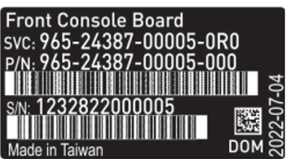
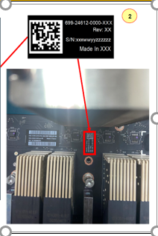
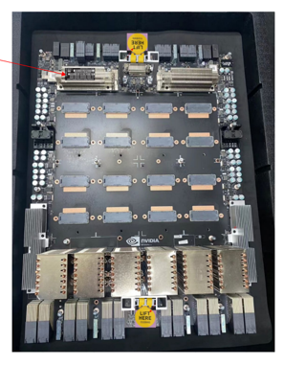
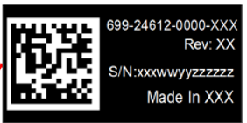
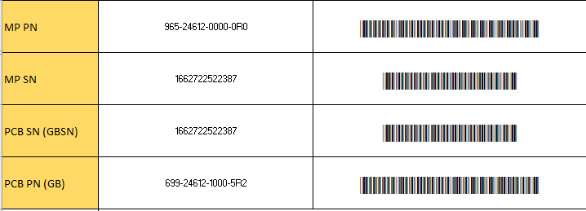
Customer | Possible return Part Number | Build-As | B02/B04 | Sorting Diag | Online Diag | Diag Version | Diag Version Change Summary | Diag Release Date | Diag Varify Date | ECO # | BB PN | Serviceme | Serviceme big category | LABEL PLAN | LABEL FILE | Remarks
MSFT | 965-24612-0000-000 | 965-24612-0000-0R0 | B04 | verified | verified | GB_FRU:Delta_CRU_ROM_B04_Board_965-24612-0000-0R0_699-5R2_v9.0 |  | 2024-02-07 | 2024-02-09 |  | 699-24612-1000-5R2 | 699-24612-1000-5R2 | M06
 | 965-24612-0000-0R0 | 965-24612-0000-0R0

LUNAGPU_PN
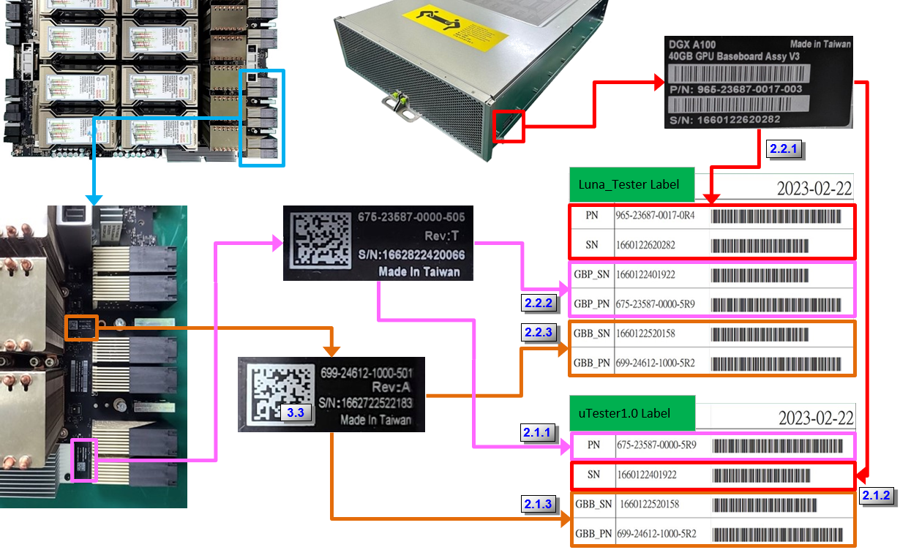
Possible return Part Number | Wistron PN | 40G/80G | Build-As | Build-as WPN | B02/B04/D01 | Sorting Diag | Online Diag | Diag Version | Diag Version Change Summary | Diag Release Date | Diag Varify Date | ECO # | SXM PN | GBB PN | GBP PN | Sorting Diag | Online Diag | Serviceme | Serviceme big category | LABEL PLAN | LABEL FILE
965-23687-0039-0R1 | 591.06928.0085 | 80G | 965-23687-0039-0R1 | 591.06928.0085 | D01 | verified | verified | Luna_80G_GPU_FRU_FW9_A800_D01_RMA LunaFRU.965-23687-0039-0R1_FRU_FLA_D01_2407 LunaFRU.965-23687-0039-0R1_FRU_FCT_D01_2407 LunaFRU.965-23687-0039-0R1_FRU_RIN_D01_2407 |  | 2024-07-11 | 2024-07-16 |  | 965-2G506-0041-201 | 699-24612-1000-900 699-24612-1000-9R0 | 675-23587-1010-8R0
965-23687-0023-0R2 | 591.06928.0059 | 80G | 965-23687-0023-0R2 | 591.06928.0059 | B02 | verified | verified | LunaFRU.965-23687-80G_HC-AC_rework_FLA_2405 LunaFRU.965-23687-0023-0R2_FRU_RMA_FCT_2405 LunaFRU.965-23687-0023-0R2_FRU_RMA_RIN_2405 |  | 2023-11-08 | 2024-06-11 |  | 692-2G506-0210-0R6 692-2G506-0210-006 | 699-24612-1000-3R6 699-24612-1000-306
965-23687-0017-000 | 591.06928.0020 | 40G | 965-23687-0017-0R6 | 591.06928.0087 | D01 | verified | verified | LunaFRU.965-23687-0017-0R6_FRU_RMA_FLA_2407 LunaFRU.965-23687-0017-0R6_FRU_RMA_FCT_2407 LunaFRU.965-23687-0017-0R6_FRU_RMA_RIN_2407 |  | 2024-08-16 | 2024-10-18 |  | 692-2G510-0200-000 692-2G506-0200-0R6 692-2G506-0200-006 | 699-24612-1000-900 699-24612-1000-9R0 965-24612-0000-100 | 675-23587-1002-8R2 (506 GPU BB)
965-23687-0017-001 | 591.06928.0027
965-23687-0017-002 | 591.06928.0032
965-23687-0017-003 | 591.06928.0050
965-23687-0017-004 | 591.06928.0066
965-23687-0017-005
965-23687-0017-0R5 | 591.06928.0081
965-23687-0017-0R2 | 591.06928.0043
965-23687-0017-0R4 | 591.06928.0077
965-23687-0017-0R6 | 591.06928.0087
965-23687-0023-000 | 591.06928.0023 | 80G | 965-23687-0023-0R6 | 591.06928.0089 | D01 | verified | verified | LunaFRU.965-23687-0023-0R6_FRU_D01_FLA_2407 LunaFRU.965-23687-0023-0R6_FRU_D01_FCT_2407 LunaFRU.965-23687-0023-0R6_FRU_D01_RIN_2407 |  | 2024-08-16 | 2024-10-22 |  | 692-2G506-0210-006 692-2G506-0210-0R6 692-2G506-0210-0R3 692-2G510-0210-0R3 692-2G510-0210-003 | 699-24612-1000-900 699-24612-1000-9R0 965-24612-0000-100 | 675-23587-1000-8R0 (506 GPU BB)
965-23687-0023-001 | 591.06928.0025
965-23687-0023-002 | 591.06928.0031
965-23687-0023-003 | 591.06928.0056
965-23687-0023-004 | 591.06928.0067
965-23687-0023-005 | 591.06928.0082
965-23687-0023-0R5 | 591.06928.0083
965-23687-0023-0R2 | 591.06928.0059
965-23687-0023-0R4 | 591.06928.0079
965-23687-0023-0R6 | 591.06928.0089

